CHRISTMAS MENU
 | GROUP NAME |  |  | 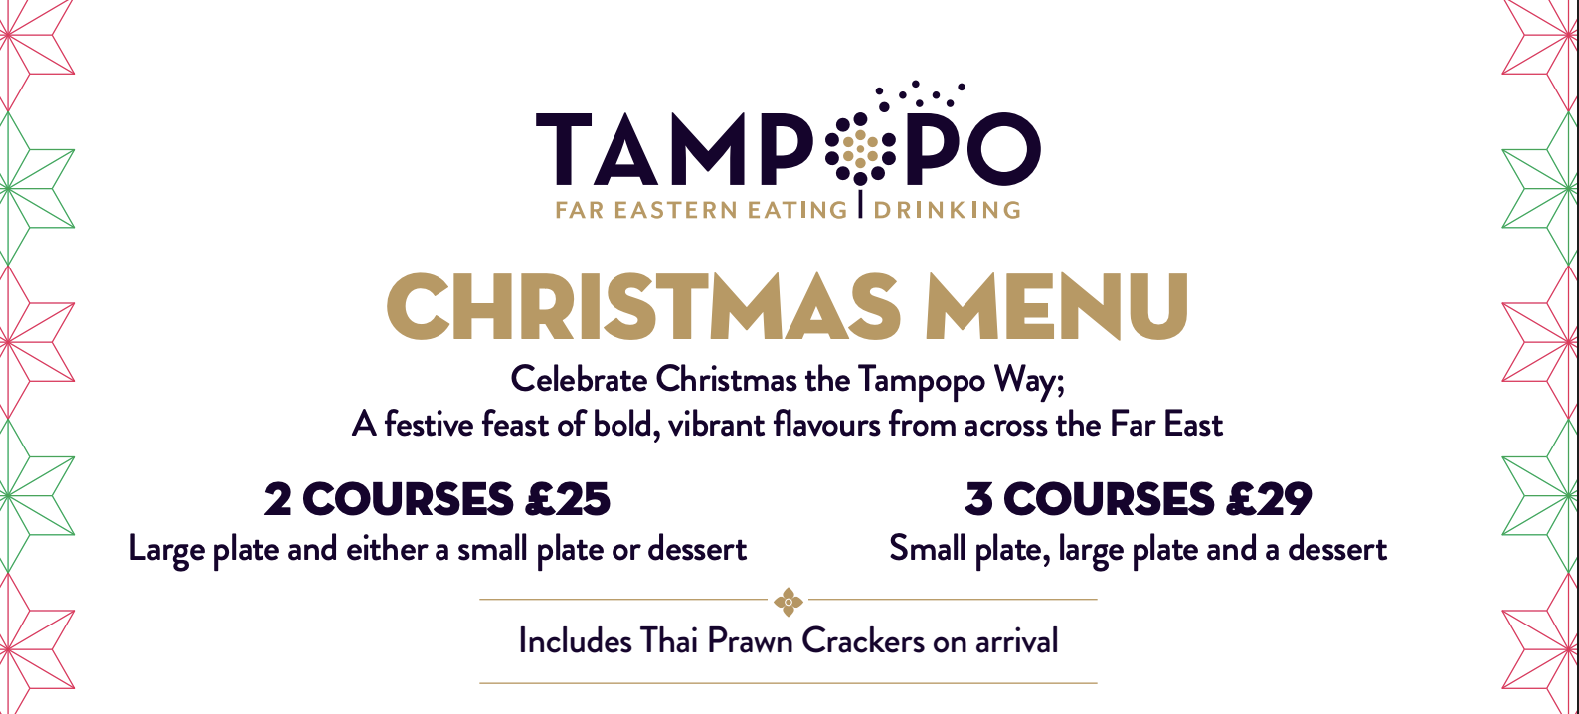
 | RESTAURANT NAME | Manchester - Albert Square
 | RESTAURANT EMAIL | albertsquare@tampopo.co.uk
 | BOOKING DATE | 2026-11-16
 | PRE ORDER REQUIRED BY | 2026-11-11
 | BOOKING TIME | 10:30:00

 | PLEASE SELECT YOUR CHOICES USING THE DROP DOWN IN THE BOXES
 | FIRST & LAST NAME | COURSE 1 - SMALL PLATE | COURSE 2 - LARGE PLATE | COURSE 3 - DESSERT | NOTES
1 |  | Sweetcorn Fritters (VE)
2
3
4
5
6
7
8
9
10
11
12
13
14
15
16
17
18
19
20
21
22
23
24
25
26
27
28
29
30

MAIN MENU
 | GROUP NAME |  | 
 | RESTAURANT NAME | Manchester - Trafford Centre
 | RESTAURANT EMAIL | traffordcentre@tampopo.co.uk
 | BOOKING DATE | 2026-09-18
 | PRE ORDER REQUIRED BY | 2026-09-13
 | BOOKING TIME | 10:30:00

 | PLEASE SELECT YOUR CHOICES USING THE DROP DOWN IN THE BOXES
 | FIRST & LAST NAME | SMALL PLATE | LARGE PLATE | SIDE | DESSERT
1 |  |  | Singapore Vegetable Curry (VE) | Roasted Hispi Side (VE)
2
3
4
5
6
7
8
9
10
11
12
13
14
15
16
17
18
19
20
21
22
23
24
25
26
27
28
29
30

